Q.1
1. What are the various elements of the Excel interface? Describe how they're used.
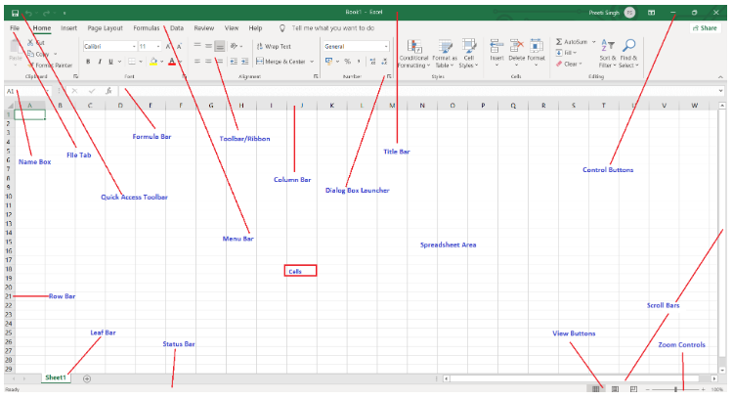

1. Quick Access Toolbar

This toolbar is located in the upper left corner of the screen. Its objective is to show the most frequently used Excel commands. We can customize this toolbar based on our preferred commands.

2. File Tab

Excel 2007's Office button has been replaced by the File tab. We can click it to check the Backstage view, where we can open or save files, create new sheets, print sheets, and perform other file-related operations.

3. Title Bar

The title bar of the spreadsheet is at the top of the window. It displays the active document's name.

4. Control Buttons

Control buttons are the symbols that are present in the upper-right side of the window, enabling us to change the labels, minimize, maximize, share, and close the sheet.

5. Menu Bar

Under the diskette or save icon or the excel icon (this will depend on the version of the program), labels or bars which enable changing the sheet which is shown. These are the menu bar and contain a File, Insert, Page Layout, Formulas, Data, Review, View, Help, and a Search Bar with a light bulb icon. These menus are divided into subcategories which simplify the distribution of information and analysis of calculations.

6. Ribbon/Toolbar

Each menu bar contains several different elements. On the selection of the menu, a sequence of command options/icons will show on a ribbon. For example, if we select the "Home" tab, we will see cut, copy, paste, bold, italic, underline, and more commands. In the same way; we can click on the "Insert" tab, we will see tables, illustrations, additional, recommended graphics, graphics maps, among others. On the other hand, if we select the "Formulas" option. Insert functions, auto sum recently used, finances, logic, text, time, date, etc.

Ribbon/Toolbar is a set of commands organized into three sections.

Tabs
They are the Ribbon's top part, and they include groups of related commands. Ribbon tabs include Home, Insert, Page Layout, Formula, Data.

Groups
They organize related commands; the name of each group is displayed below the Ribbon. For example, a set of commands related to fonts or a group of commands related to alignment, etc.

Commands
They appear within each group, as previously stated.

7. Dialog Box Launcher

Dialog box launcher is a very little down arrow that is present in the lower-right corner of a command group on the Ribbon. By clicking on this arrow, we can explore more options related to the concerned group.

8. Name box

Show the location of the active cell, row, or column. We have the option of selecting multiple options.

9. Formula Bar

Formula bar permits us to observe, insert or edit the information/formula entered in the active cell.

10. Scrollbars

Scrollbars are the tools that enable us to move the document's vertical and horizontal views. We can activate this by clicking on the platform's internal bar or the arrows we have on the sides. Additionally, we can use the mouse wheel in order to automatically scroll up or down: or use the directional keys.

11. Spreadsheet Area

It is the place where we enter our data. It includes all the rows, cells, columns, and built-in data in the spreadsheet. We can use shortcuts to perform toolbar activities or formulas of arithmetic operations (add, subtract, multiply, etc.). The insertion point is the blinking vertical bar known as the "cursor." It specifies the insertion location of the typing.

12. Leaf Bar

Leaf bar is present at the bottom of the spreadsheet, which says sheet1 is shown. This sheet bar describes the spreadsheet which is currently being worked on. Using this, we can alternate a number of sheets or add a new one as per our convenience.

13. Columns Bar

Columns are a vertically ordered series of boxes across the full sheet. This column bar is located below the formula bar. The letters of the alphabet are used to label the columns. Begin with the letter A to Z, and then after Z, it will continue as AA, AB, and so on. The number of columns that can be used is limited to 16,384.

14. Rows Bar

The row bar is the left part of the sheet where a sequence of numbers is expressed. Begin with number one (1), and further rows will be added as we move the pointer down. There are a total of 1,048,576 rows available.

15. Cells

Cells are those parallelepipeds that divide the spreadsheet into many pieces, separating rows and columns. A spreadsheet's first cell is represented by the first letter of the alphabet and the number one (A1).

16. Status Bar

The status bar is present at the bottom of the window that displays critical information. It also indicates whether something is incorrect or whether the document is ready to be printed or delivered.

This shows the result of the selected digits such as sum, average, count, maximum, minimum, etc.

By right-clicking on the status bar, we can configure the status bar. Any command from the specified list can be added or removed.

17. View Buttons

View buttons are a set of three buttons arranged at the left of the Zoom control, close the screen's right-bottom corner. We can see three different kinds of sheet views in Excel using this method.

Normal View: - Normal view displays the Excel page in normal view.
Page Layout View: - The Page Layout view shows the precise layout of an Excel page it will be printed.
Page Break View: - This displays page break preview before printing.

18. Zoom Control

The zoom control is present at the lower-right side of the window. It enables us to ZOOM-IN or ZOOM-OUT a specific area of the spreadsheet. It is represented by magnifying icons with the symbols of maximizing (+) or minimizing (-).

Q.3
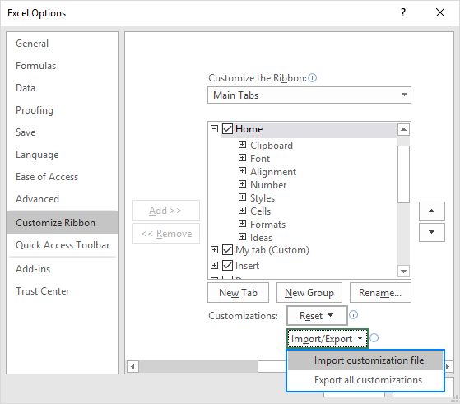
3. On the ribbon, make a new tab. Add some different groups, insert commands in the groups and name them according to their commands added. Copy and paste the screenshot of the steps you followed.

Go to File > Options > Customize Ribbon.
Right-click on the ribbon and select Customize the Ribbon… from the context menu:
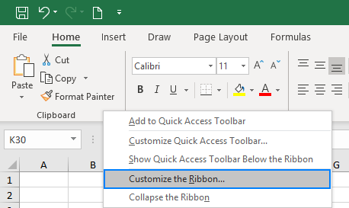

Either way, the Excel Options dialog window will open enabling you to do all the customizations described below. The instructions are the same for Excel 2019, Excel 2016, Excel 2013 and Excel 2010.

How to create a new tab for the ribbon

To make your favorite commands easily accessible, you can add your own tab to the Excel ribbon. Here's how:

1. In the Customize the Ribbon window, under the list of tabs, click the New Tab button.
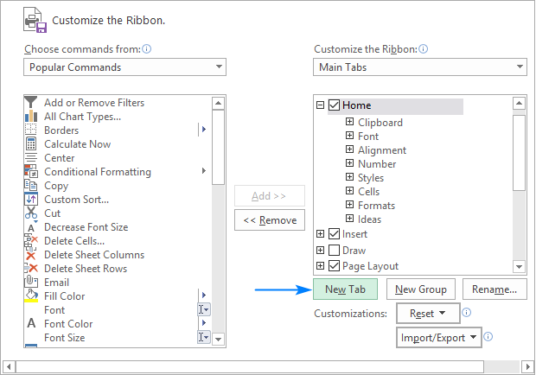

This adds a custom tab with a custom group because commands can only be added to custom groups.

2. Select the newly created tab, named New Tab (Custom), and click the Rename… button to give your tab an appropriate name. In the same manner, change the default name given by Excel to a custom group. For the detailed guidelines, please see how to rename ribbon items.
3. When done, click OK to save the changes.
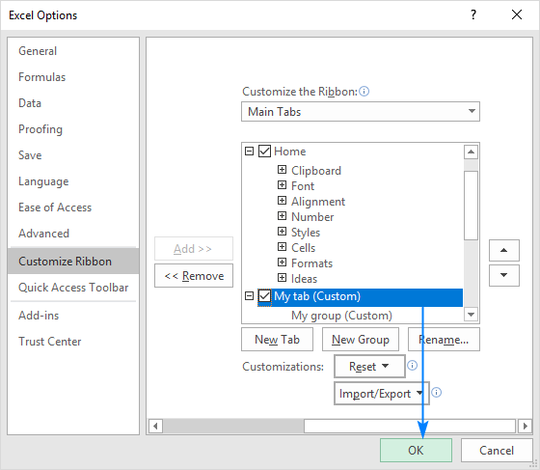

As shown in the screenshot below, our custom tab is added to the Excel ribbon immediately, though the custom group is not displayed because it is empty. For the group to show up, it must contain at least one command. We will add commands to our custom tab in a moment but, to be consistent, we will first look at how to create a custom group.

Tips and notes:

By default, a custom tab is placed after the currently selected tab (after the Home tab in our case), but you are free to move it anywhere on the ribbon.
Each tab and group that you create have the word Custom after their names, which is added automatically to distinguish between built-in and custom items. The word (Custom) only appears in the Customize Ribbon window, not on the ribbon.
How to add a custom group to a ribbon tab

To add a new group to either a default or custom tab, this is what you need to do:

1. In the right part of the Customize the Ribbon window, select the tab to which you'd like to add a new group.
2. Click the New Group button. This adds a custom group, named New Group (Custom), at the bottom of the list of groups, meaning the group displays on the far-right end of the tab. To create a new group in a specific location, select the group after which the new group is to appear.

In this example, we're going to add a custom group to the end of the Home tab, so we select it, and click New Group:
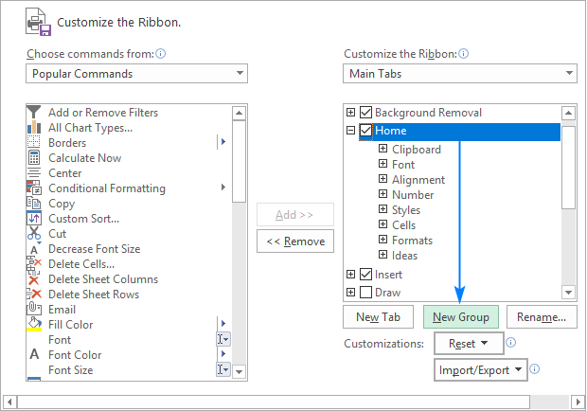

3. To rename your custom group, select it, click the Rename… button, type the desired name, and click OK.

Optionally, from the Symbol box, select the icon to represent your custom group. This icon will appear on the ribbon when the Excel window is too narrow to show the commands, so only the group names and icons are displayed. Please see how to rename items on the ribbon for full details.

4. Click OK to save and view your changes.

Tip. To save some room on the ribbon, you can remove text from the commands in your custom group and show only the icons.

How to add a command button to Excel ribbon

Commands can only be added to custom groups. So, before adding a command, be sure to create a custom group on an inbuilt or custom tab first, and then perform the below steps.

1. In the list under Customize the Ribbon, select the target custom group.
2. In the Choose commands from drop-down list on the left, select the list from which you want to add commands, for example, Popular Commands or Commands Not in the Ribbon.
3. In the list of commands on the left, click the command you want to add.
4. Click the Add button.
5. Click OK to save the changes.

As an example, we are adding add the Subscript and Superscript buttons to the custom tab that we created:
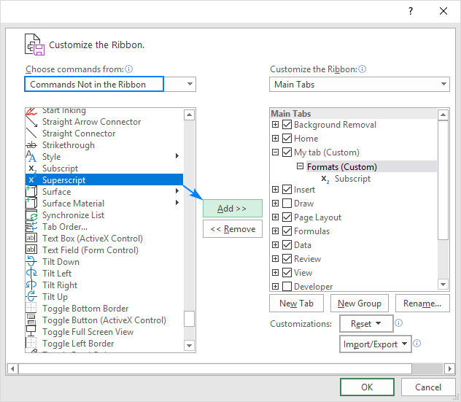

As the result, we now have a custom ribbon tab with two buttons:
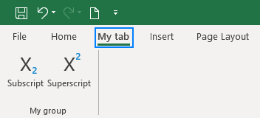

Show icons instead of text labels on the ribbon

If you're using a small monitor or a laptop with a small screen, every inch of screen space matters. To save some room on the Excel ribbon, you can remove text labels from your custom commands to show only icons. Here's how:

1. In the right part of the Customize the Ribbon window, right-click on a target custom group and select Hide Command Labels from the context menu.
2. Click OK to save the changes.
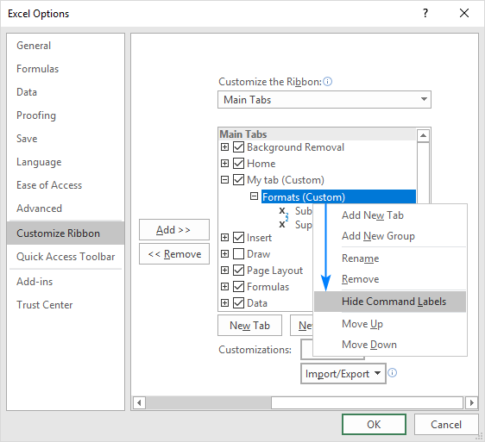

Notes:

You can only hide text labels for all the commands in a given custom group, not just for some of them.
You cannot hide text labels in built-in commands.
Rename ribbon tabs, groups and commands

In addition to giving your own names to custom tabs and groups that you create, Excel allows you to rename the built-in tabs and groups. However, you cannot change names of the inbuilt commands, only commands added to custom groups can be renamed.

To rename a tab, group or custom command, carry out these steps:

1. On the right side of the Customize the Ribbon window, click on the item you want to rename.
2. Click the Rename button below the list if tabs.
3. In the Display name box, type the name you want, and click OK.
4. Click OK to close the Excel Options window and view your changes.

For groups and commands, you can also select an icon from the Symbol box, like shown in the screenshot below:
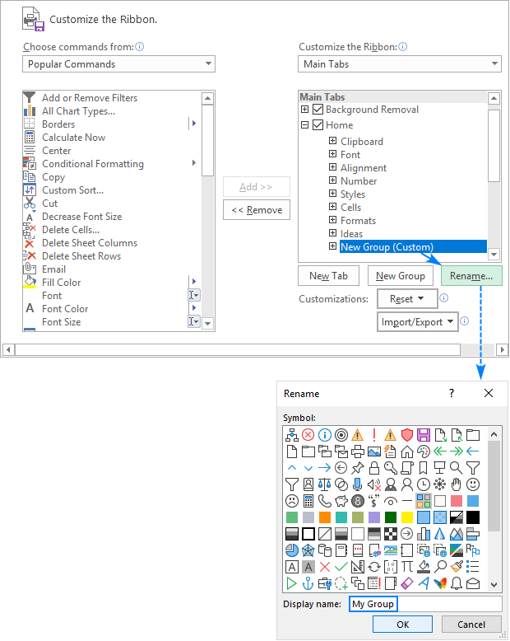

Note. You can change the name of any custom and build-in tab, except the File tab that cannot be renamed.

Move tabs, groups and commands on the ribbon

To know exactly where everything is located on your Excel ribbon, you can put tabs and groups in the most convenient places. However, the build-in commands cannot be moved, you can only change order of commands in custom groups.

To rearrange items on the ribbon, this is what you need to do:

1. In the list under Customize the Ribbon, click on the tab, group, or command in a custom group that you wish to move.
2. Click the Up or Down arrow to move the selected item left or right on the ribbon, respectively.
3. When the desired order is set, click OK to save the changes.

The screenshot below shows how to move a custom tab to the left end of the ribbon.
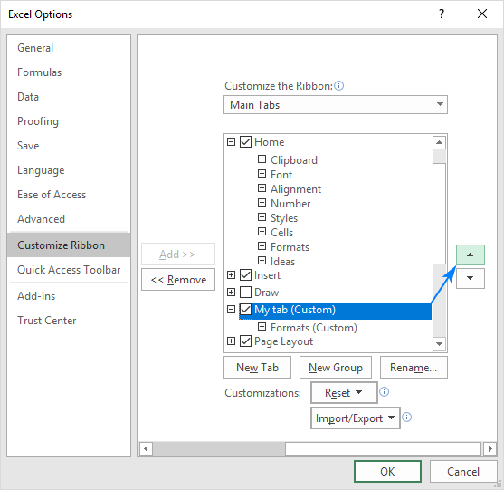

Note. You can change the placement of any build-in tab such as Home, Insert, Formulas, Data, and others, except the File tab that cannot be moved.

Remove groups, custom tabs and commands

While you can remove both default and custom groups, only custom tabs and custom commands can be removed. The build-in tabs can be hidden; built-in commands can nether be removed nor hidden.

To remove a group, a custom tab or command, do the following:

1. In the list under Customize the Ribbon, select the item to be removed.
2. Click the Remove button.
3. Click OK to save the changes.

For example, this is how we remove a custom command from the ribbon:
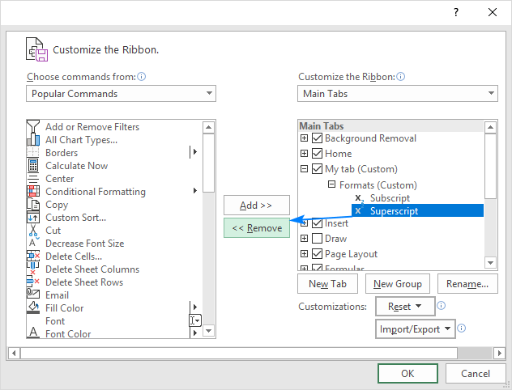

Tip. It is not possible to remove a command from a built-in group. However, you can make a custom group with the commands you need, and then remove the entire built-in group.

Hide and show tabs on the ribbon

If you feel the ribbon contains a couple of extra tabs that you never use, you can easily hide them from view.

To hide a ribbon tab, simply uncheck its box in the list of tabs under Customize the Ribbon, and then click OK.
To show a ribbon tab, select the box next to it, and click OK.

For instance, that's how you can show the Developer tab, which is not visible in Excel by default:
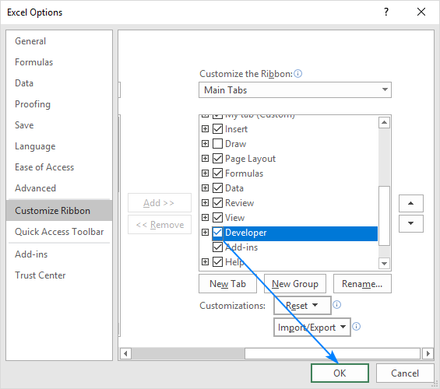

Note. You can hide both custom and built-in tabs, except the File tab that cannot be hidden.

Customize contextual tabs on Excel ribbon

To personalize the contextual ribbon tabs that appear when you select a certain item such as a table, chart, graphic or shape, select Tool Tabs from the Customize the Ribbon drop-down list. This will display the full list of context-sensitive tabs available in Excel letting you hide, show, rename, and rearrange these tabs as well as add your own buttons to them.
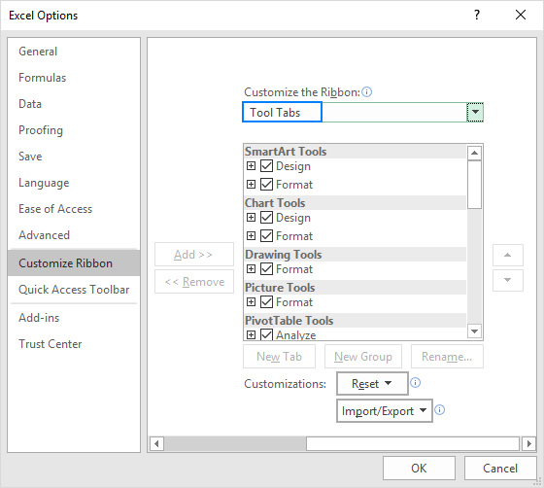

How to reset Excel ribbon to default settings

If you've made some ribbon customizations, and then want to revert to the original setup, you can reset the ribbon in the following way.

To reset the entire ribbon:

In the Customize the Ribbonwindow, click Reset, and then choose Reset all customizations.

To reset a specific tab:

In the Customize the Ribbonwindow, click Reset, and then click Reset only selected Ribbon tab.
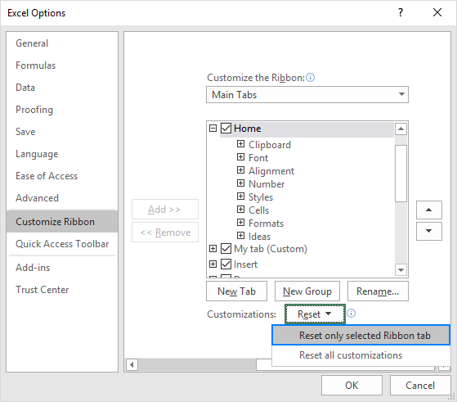

Notes:

When you choose to reset all tabs on the ribbon, this also reverts the Quick Access Toolbar to the default state.
You can only reset the built-in tabs to their default settings. When you reset the ribbon, all custom tabs are removed.
How to export and import a custom ribbon

If you invested quite a lot of time in customizing the ribbon, you may want to export your settings to another PC or share your ribbon customizations with someone else. It's also a good idea to save your current ribbon configuration before migrating to a new machine. To have it done, please follow these steps.

1. Export a custom ribbon:

On the computer where you customized the ribbon, open the Customize the Ribbon window, click Import/Export, then click Export all customizations, and save the Excel Customizations.exportedUI file to some folder.

2. Import a custom ribbon:

On another computer, open the Customize the Ribbon window, click Import/Export, select Import customization file, and browse for the customizations file that you saved.

Q.5
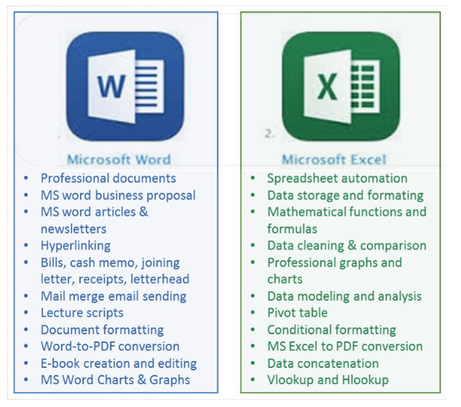
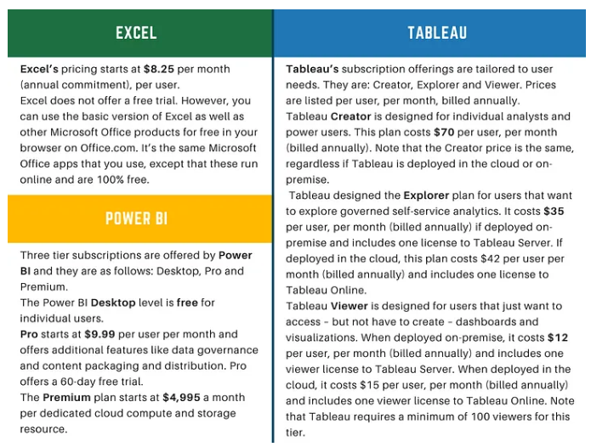
5. What distinguishes Excel from other analytical tools?

Q.6
6. Create a table and add a custom header and footer to your table. |  |  |  |  |  |  | custom header and footer to table.
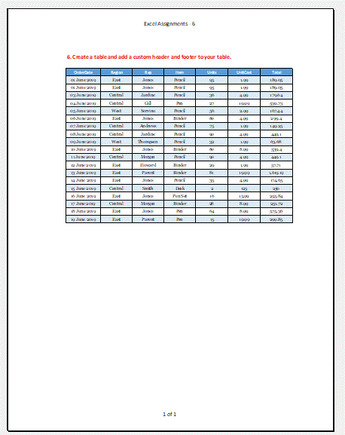
OrderDate | Region | Rep | Item | Units | UnitCost | Total
2019-06-01 | East | Jones | Pencil | 95 | 1.99 | 189.05
2019-06-01 | East | Jones | Pencil | 95 | 1.99 | 189.05
2019-06-03 | Central | Jardine | Pencil | 36 | 4.99 | 179.64
2019-06-04 | Central | Gill | Pen | 27 | 19.99 | 539.73
2019-06-05 | West | Sorvino | Pencil | 56 | 2.99 | 167.44
2019-06-06 | East | Jones | Binder | 60 | 4.99 | 299.4
2019-06-07 | Central | Andrews | Pencil | 75 | 1.99 | 149.25
2019-06-08 | Central | Jardine | Pencil | 90 | 4.99 | 449.1
2019-06-09 | West | Thompson | Pencil | 32 | 1.99 | 63.68
2019-06-10 | East | Jones | Binder | 60 | 8.99 | 539.4
2019-06-11 | Central | Morgan | Pencil | 90 | 4.99 | 449.1
2019-06-12 | East | Howard | Binder | 29 | 1.99 | 57.71
2019-06-13 | East | Parent | Binder | 81 | 19.99 | 1,619.19
2019-06-14 | East | Jones | Pencil | 35 | 4.99 | 174.65
2019-06-15 | Central | Smith | Desk | 2 | 125 | 250
2019-06-16 | East | Jones | Pen Set | 16 | 15.99 | 255.84
2019-06-17 | Central | Morgan | Binder | 28 | 8.99 | 251.72
2019-06-18 | East | Jones | Pen | 64 | 8.99 | 575.36
2019-06-19 | East | Parent | Pen | 15 | 19.99 | 299.85

